1 Shapes
Circle | Círculo | ˈsɜrkəl | 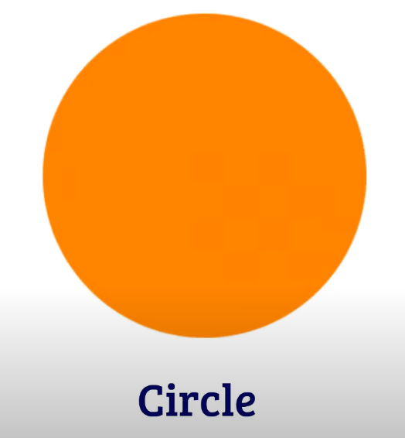
Sphere | Esfera | sfɪr | 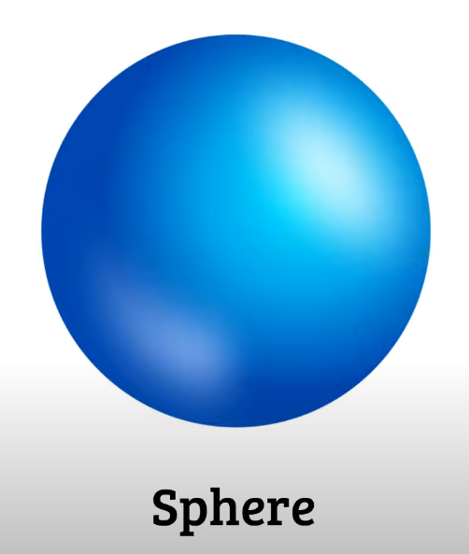
Triangle | Triángulo | ˈtraɪˌæŋɡəl | 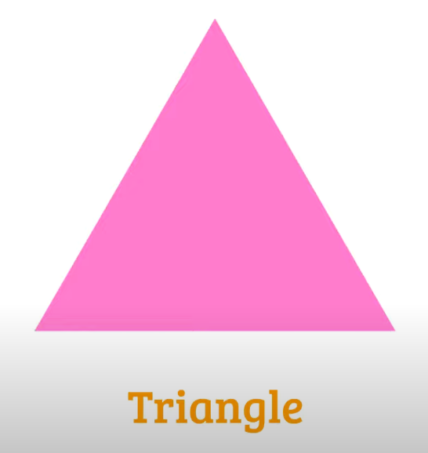
Trapezoid | Trapezoide | Trapezoid | 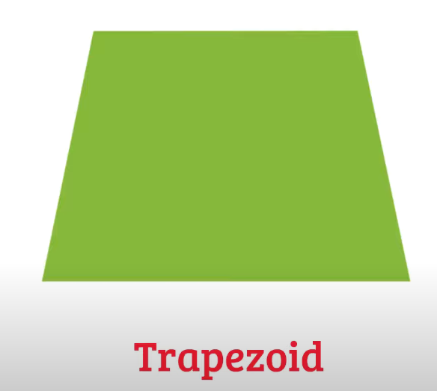
Square | Cuadrado | skwɛr | 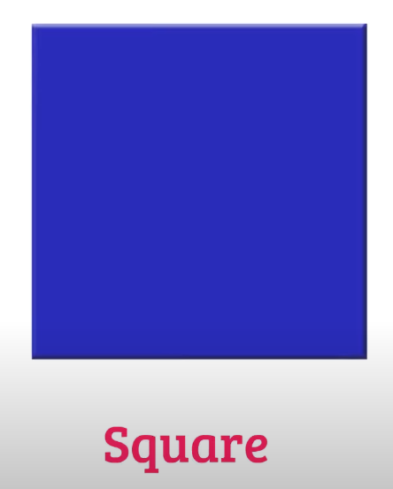
Diamond | Rombo | ˈdaɪmənd | 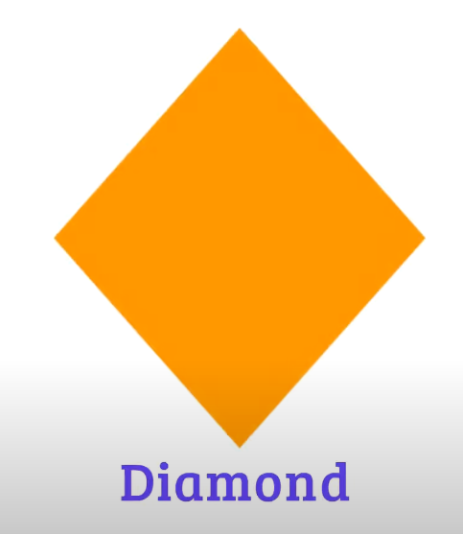
Rectangle | Rectángulo | ˈrɛktæŋɡəl | 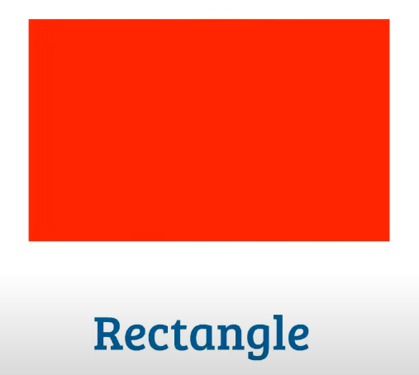
Parallelogram | Paralelogramo | Parallelogram | 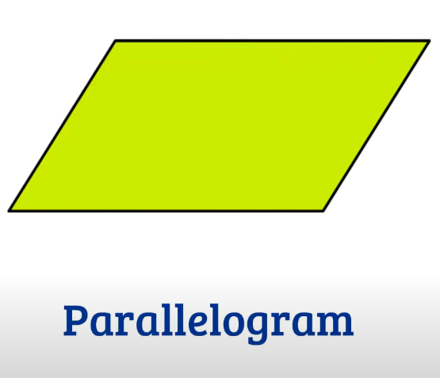
Cube | Cubo | kjub | 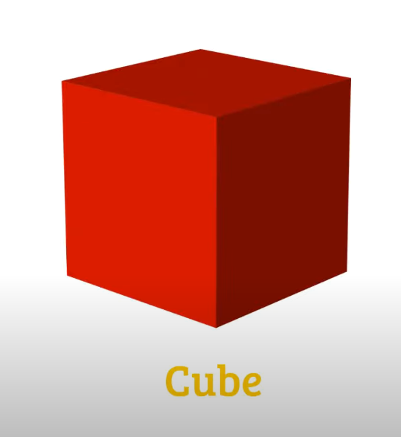
Cuboid | Cuboide | Cuboid | 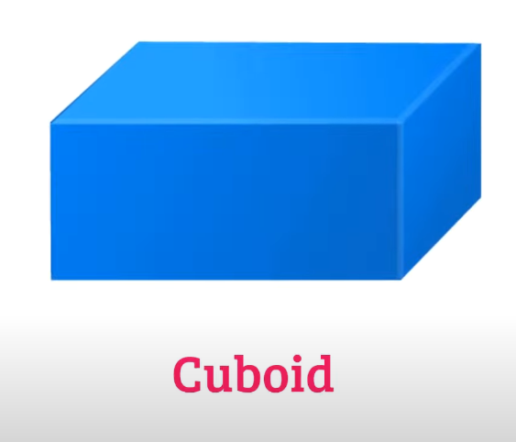
Oval | Óvalo | ˈoʊvəl | 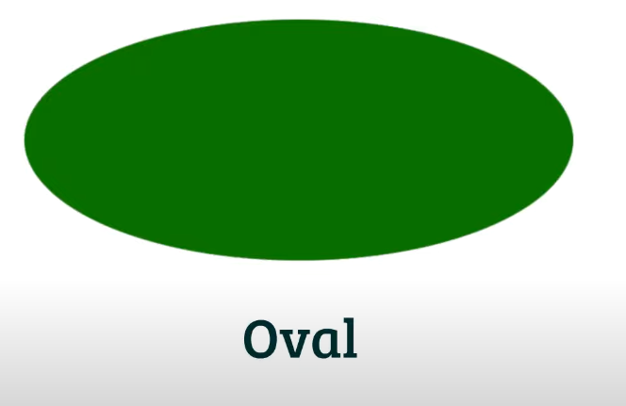
Ellipsoid | Elipsoide | ɪˈlɪpsɔɪd | 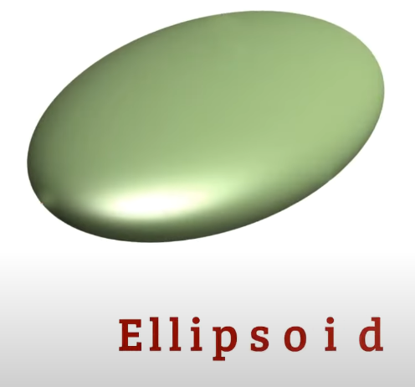
Semi-circle | Semicírculo | ˈsɛmi-ˈsɜrkəl | 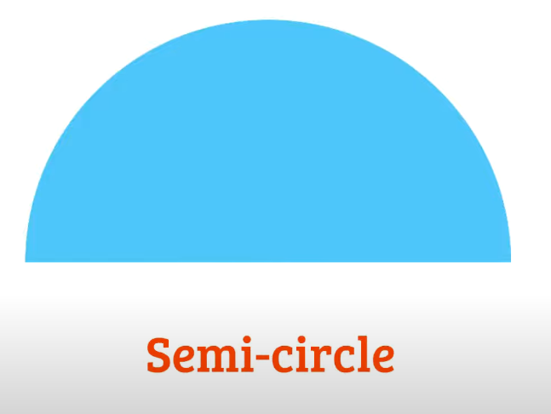
Hemisphere | Hemisferio | ˈhɛmɪˌsfɪr | 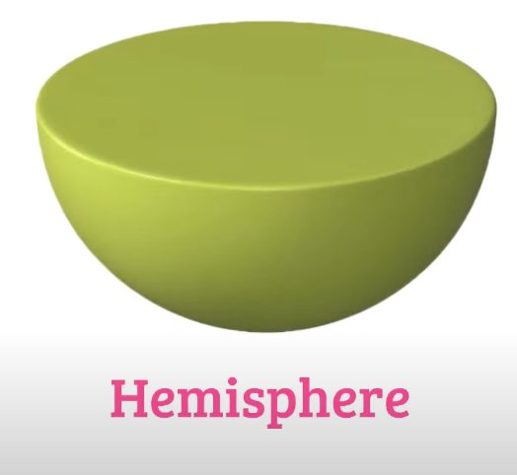
Tetrahedron | Tetraedro | ˌtɛtrəˈhidrən | 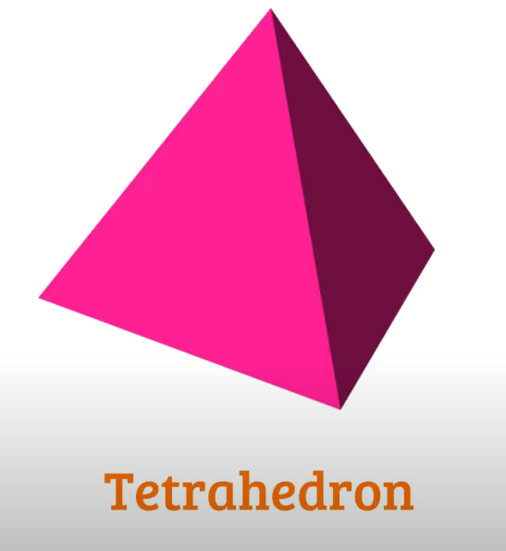
Square Pyramid | Pirámide cuadrada | skwɛr ˈpɪrəmɪd | 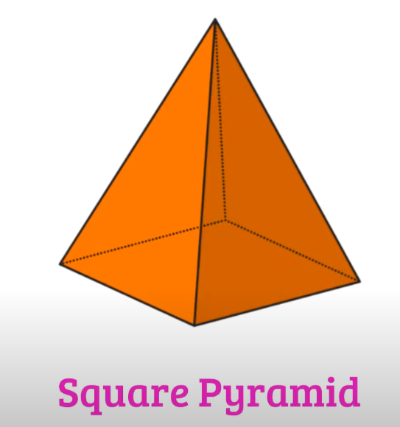
Pentagon | Pentágono | ˈpɛntɪˌɡɑn | 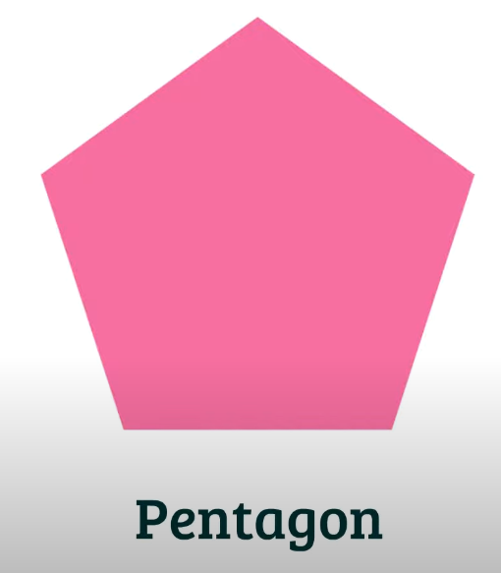
Hexagon | Hexágono | ˈhɛksəˌɡɑn | 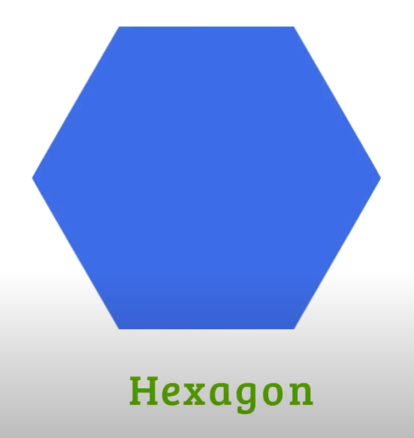
Heptagon / Septagon | Heptágono / Septágono | Heptagon / Septagon | 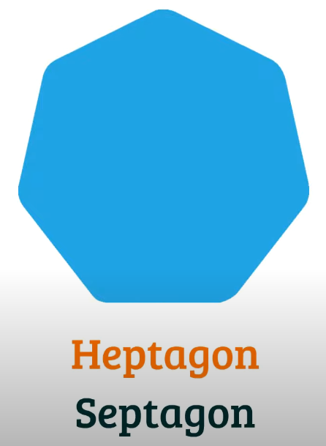
Octagon | Octágono | ˈɑktəˌɡɑn | 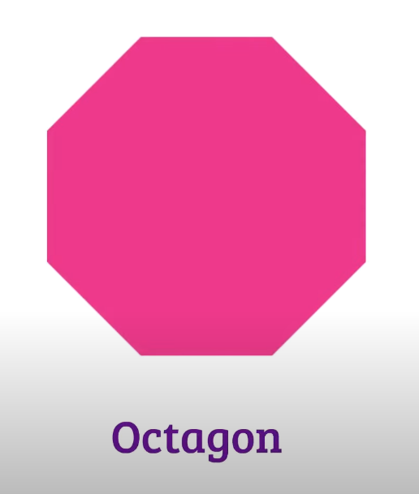
Nonagon | Nonágono | Nonagon | 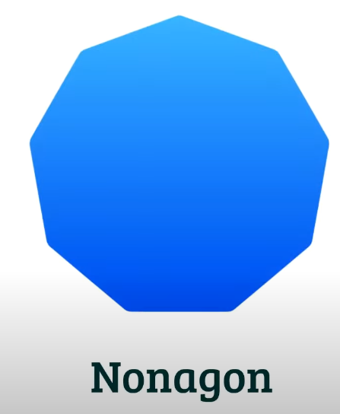
Decagon | Decágono | Decagon | 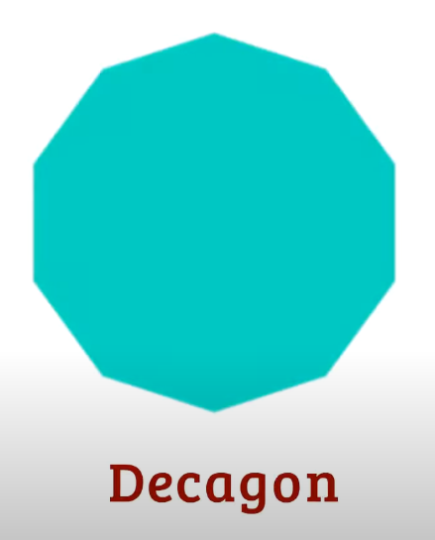
Hendecagon | Hendécagono | Hendecagon | 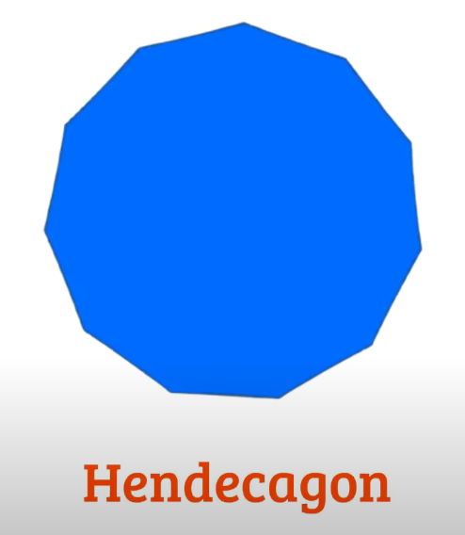
Dodecagon | Dodecágono | Dodecagon | 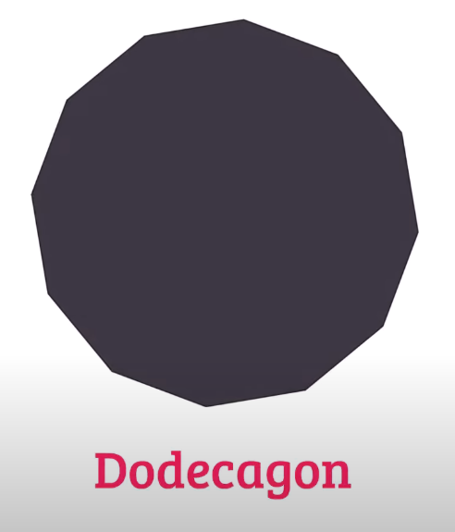
Hexagonal Pyramid | Pirámide hexagonal | hɛkˈsæɡənəl ˈpɪrəmɪd | 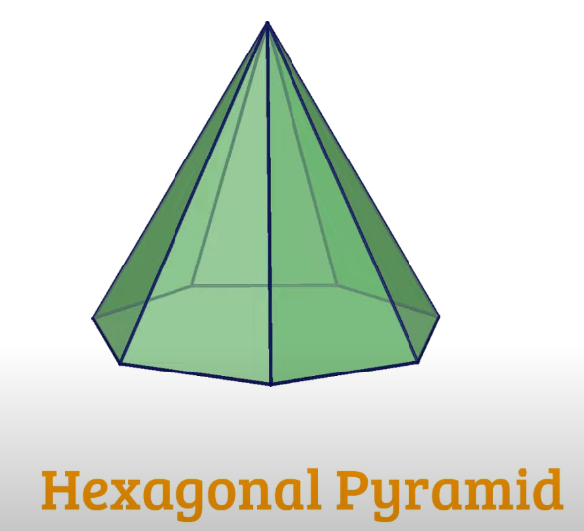
Triangular Prism | Prisma triangular | traɪˈæŋɡjələr ˈprɪzəm | 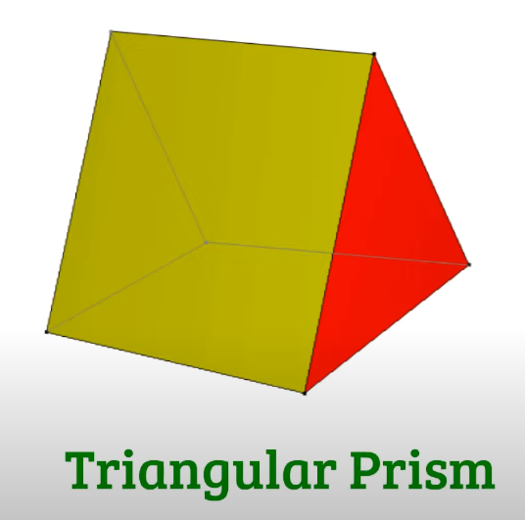
Docecahedron | Docecaedro | Docecahedron | 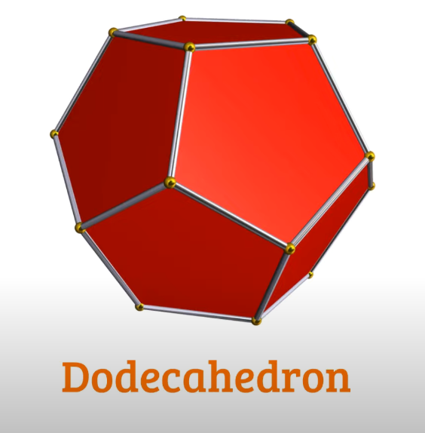
Icosahedrorn | Icosaedro | Icosahedrorn | 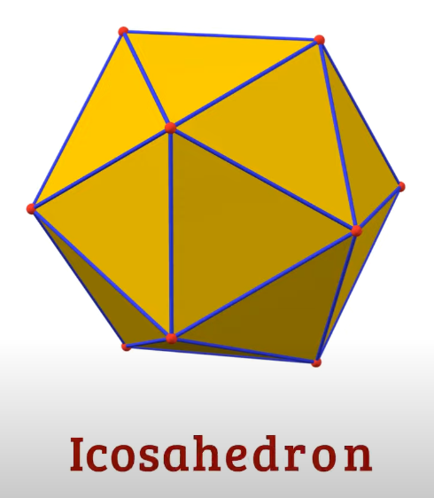
Octahedron | Octaedro | ˌɑktəˈhidrən | 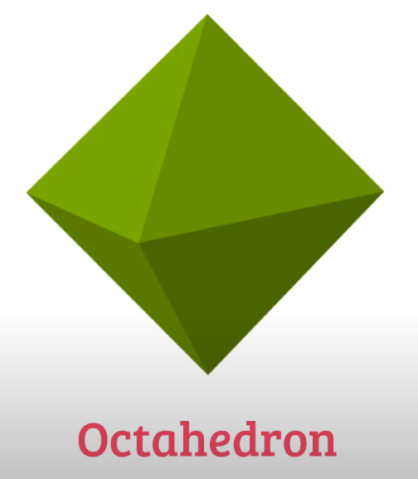
Great Icosahedron | Gran icosaedro | ɡreɪt Icosahedron | 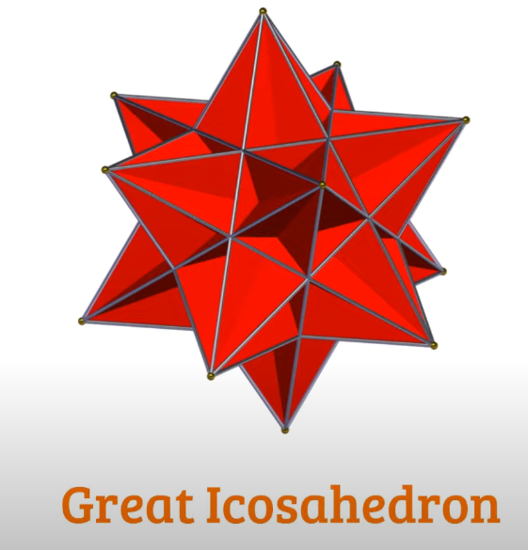
Torus | Toro | ˈtɔruz | 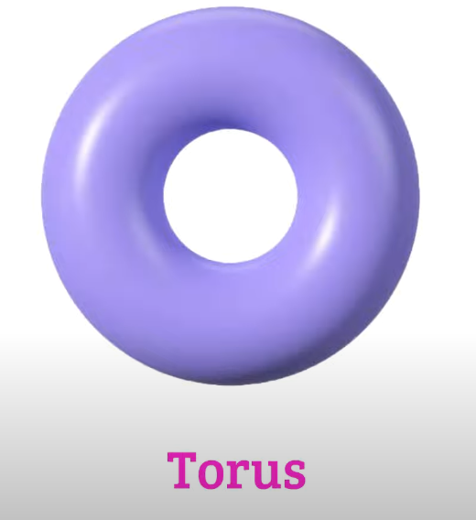
Cross | Cruz | krɔs | 
Cylinder | Cilindro | ˈsɪləndər | 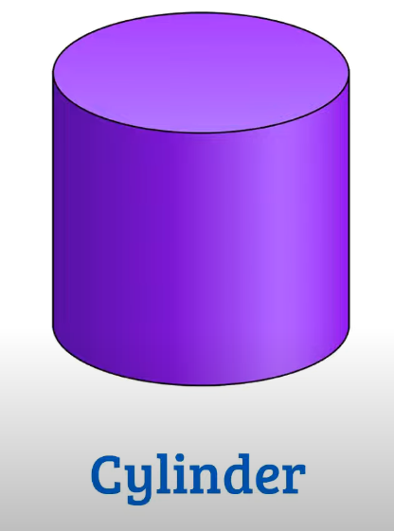
Pentagonal Prism | Prisma pentagonal | Pentagonal ˈprɪzəm | 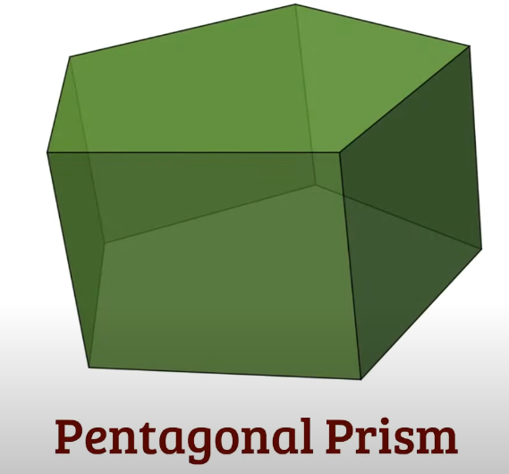
Hexagonal Prism | Prisma hexagonal | hɛkˈsæɡənəl ˈprɪzəm | 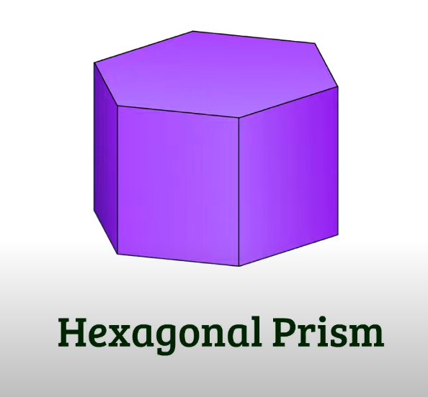
Arrow | Flecha | ˈæroʊ | 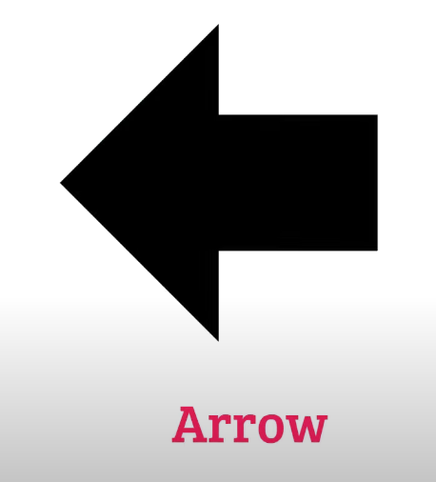
Cone | Cono | koʊn | 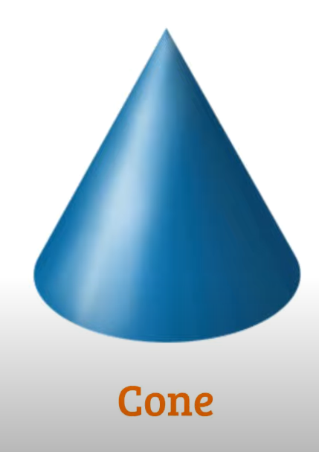
Cressent | Creciente | Cressent | 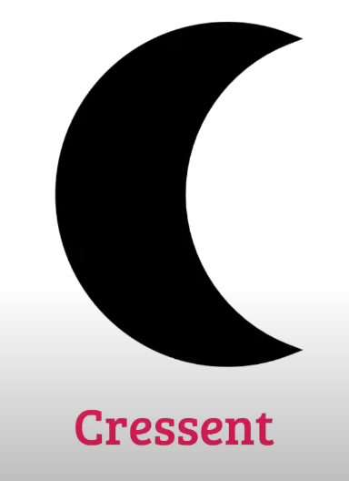
Quatrefoil | Cuatrifolio | Quatrefoil | 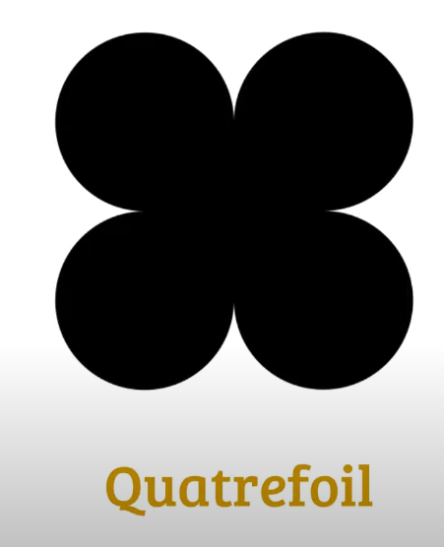
Heart | Corazón | hɑrt | 
Star Pentagon / Pentagram | Pentágono / Pentagrama estrella | stɑr ˈpɛntɪˌɡɑn / Pentagram | 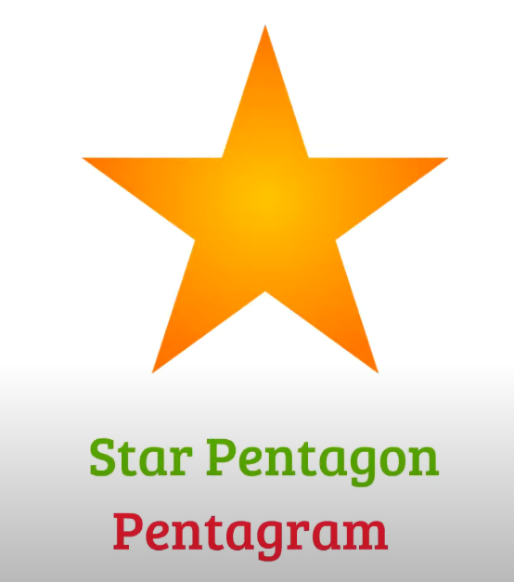
Hexagram / Sexagram | Hexagrama / sexagrama | Hexagram / Sexagram | 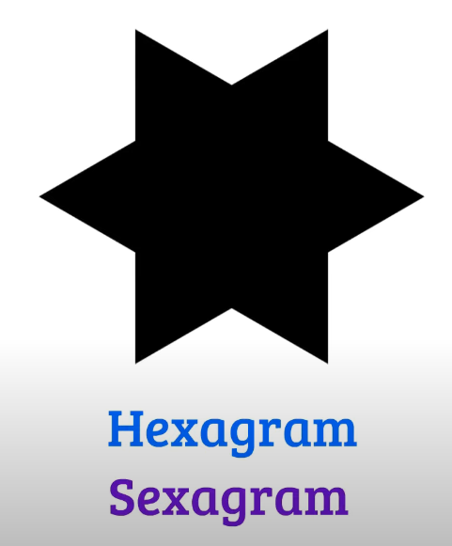
Heptagram / Septagram | Heptagrama / Septagrama | Heptagram / Septagram | 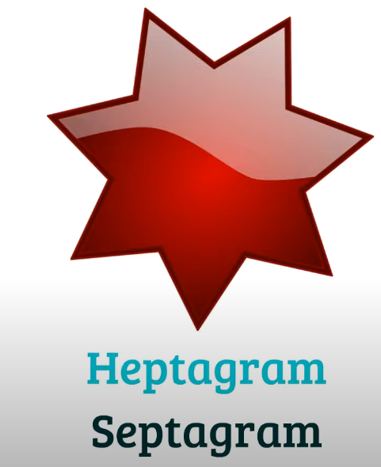
Octagram | octagrama | Octagram | 

